FIG 1 - Screening Flow
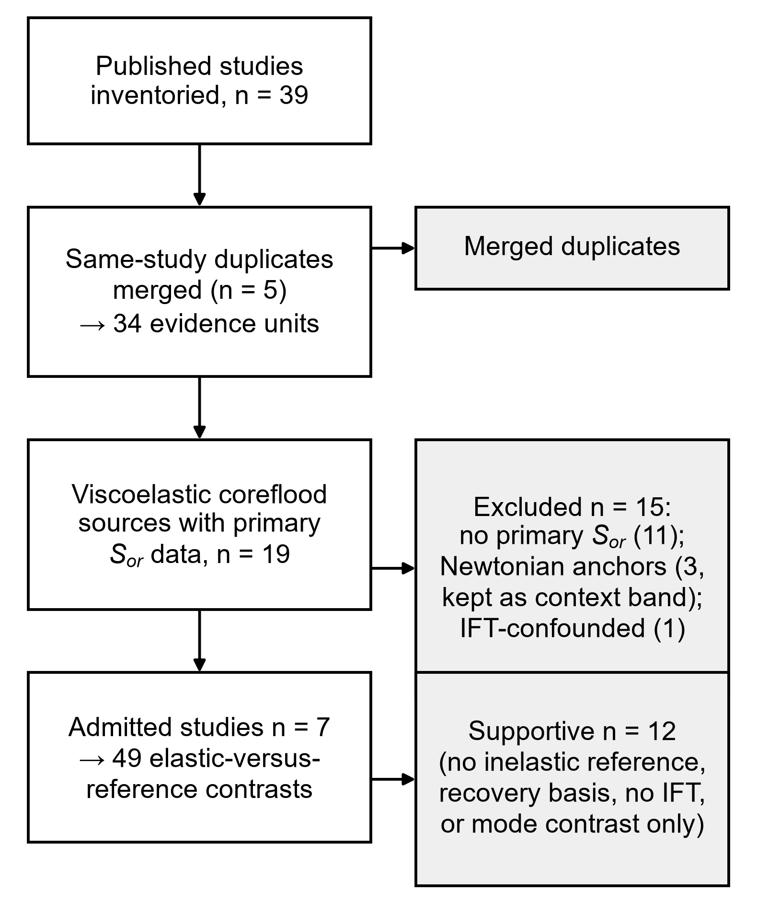
SOURCE-SCREENING FLOW (FIG 1)
Counts as adjudicated at the close of the literature search. Exclusion reasons are listed in Appendix B of the manuscript; the search update is described in supplementary §S3.
Screening counts
Stage | n | Basis | Note
Published studies inventoried | 39 | SCREENING | Includes the six 2023–2026 search-update studies
Same-study duplicates merged | 5 | SCREENING | Duplicate reports of the same experimental programme
Evidence units after merging | 34 | SCREENING | Distinct evidence units after merging
Excluded: no primary residual-oil saturation | 11 | SCREENING | No primary residual-oil saturation reported
Newtonian desaturation-curve anchors | 3 | SCREENING | Retained as the context band on Fig. 2
Viscoelastic coreflood sources | 19 | SCREENING | Sources carrying primary saturation data
Supportive units | 12 | SCREENING | No matched inelastic reference, recovery basis, no IFT, or mode contrast only
Admitted studies | 7 | SCREENING | Studies admitted to the primary statistics
Mode-contrast only | 0 | SCREENING | Retained for secondary-versus-tertiary contrast
Elastic-versus-reference contrasts | 49 | SCREENING | Stage-level contrasts carried in Table S5
IFT-confounded (adjudicated out) | 1 | SCREENING | Adjudicated out on interfacial-tension confounding

Derived totals
Quantity | n | Basis | Note
Excluded, all reasons | 15 | DERIVED | No primary Sor (11) + Newtonian anchors (3) + IFT-confounded (1)
Admitted studies and supportive units | 19 | DERIVED | Seven admitted studies and 12 supportive units

Figure 1

FIG 2 - Conventional Basis
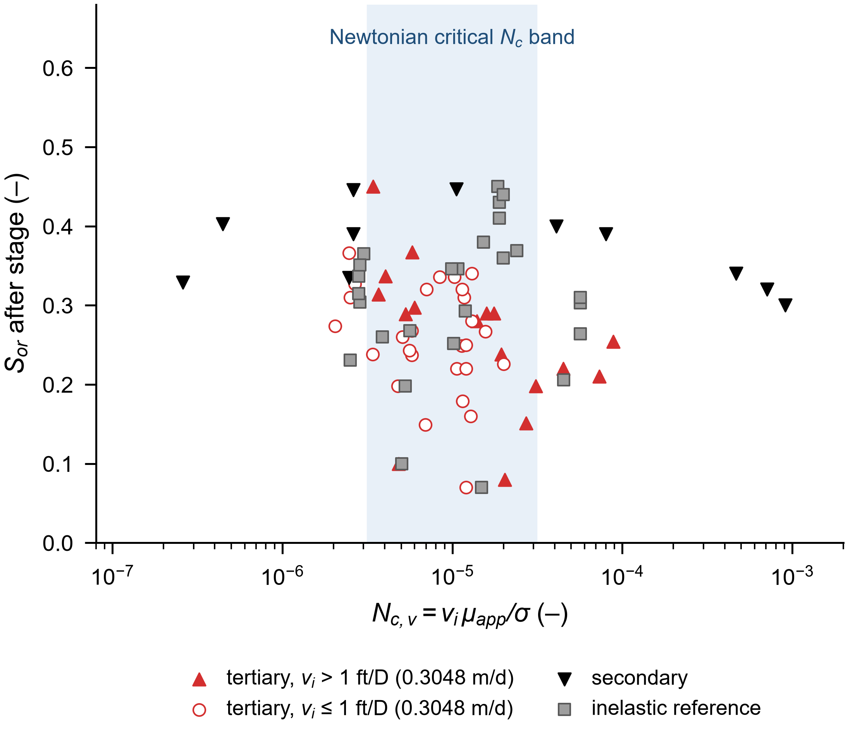
ADMITTED FLOODS ON THE CONVENTIONAL CAPILLARY-NUMBER BASIS (FIG 2)
Equation 1 on the interstitial basis. Series follow injection mode and the 1 ft/D (0.3048 m/d) interstitial cut; every plotted stage is carried in Table S4 with its full provenance.
Series (a) — tertiary stages above 1 ft/D (0.3048 m/d)
Nc,v (–) | Sor after stage (–) | Basis | Note
3.10E-05 | 0.198 | MEASURED
8.85E-05 | 0.254 | MEASURED
7.31E-05 | 0.210 | MEASURED
1.39E-05 | 0.280 | MEASURED
1.75E-05 | 0.290 | MEASURED
4.49E-05 | 0.220 | MEASURED
1.59E-05 | 0.290 | MEASURED
2.04E-05 | 0.080 | MEASURED
1.14E-05 | 0.320 | MEASURED
1.06E-05 | 0.220 | MEASURED
1.31E-05 | 0.340 | MEASURED
1.20E-05 | 0.250 | MEASURED
1.31E-05 | 0.280 | MEASURED
1.28E-05 | 0.160 | MEASURED
1.20E-05 | 0.220 | MEASURED
1.20E-05 | 0.070 | MEASURED
1.94E-05 | 0.238 | MEASURED
5.79E-06 | 0.268 | MEASURED
5.79E-06 | 0.237 | MEASURED
8.42E-06 | 0.336 | MEASURED
1.56E-05 | 0.267 | MEASURED
1.03E-05 | 0.336 | MEASURED
2.04E-06 | 0.274 | MEASURED
3.40E-06 | 0.238 | MEASURED
4.82E-06 | 0.100 | MEASURED
3.42E-06 | 0.450 | MEASURED
2.71E-05 | 0.151 | MEASURED
5.30E-06 | 0.289 | MEASURED
5.98E-06 | 0.297 | MEASURED
5.80E-06 | 0.367 | MEASURED
2.47E-06 | 0.366 | MEASURED
4.04E-06 | 0.337 | MEASURED
3.67E-06 | 0.314 | MEASURED

Series (b) — tertiary stages at or below 1 ft/D (0.3048 m/d)
Nc,v (–) | Sor after stage (–) | Basis | Note
1.18E-05 | 0.310 | MEASURED
1.15E-05 | 0.179 | MEASURED
1.14E-05 | 0.249 | MEASURED
2.00E-05 | 0.226 | MEASURED
5.60E-06 | 0.243 | MEASURED
6.95E-06 | 0.149 | MEASURED
4.77E-06 | 0.198 | MEASURED
5.08E-06 | 0.260 | MEASURED
7.06E-06 | 0.420 | MEASURED
7.06E-06 | 0.320 | MEASURED
2.68E-06 | 0.327 | MEASURED
2.50E-06 | 0.310 | MEASURED

Series (c) — secondary stages
Nc,v (–) | Sor after stage (–) | Basis | Note
7.47E-05 | 0.340 | MEASURED
4.67E-04 | 0.340 | MEASURED
7.47E-05 | 0.390 | MEASURED
7.99E-05 | 0.390 | MEASURED
7.10E-04 | 0.320 | MEASURED
9.33E-04 | 0.390 | MEASURED
4.08E-05 | 0.400 | MEASURED
9.11E-04 | 0.300 | MEASURED
1.06E-05 | 0.447 | MEASURED
2.61E-06 | 0.446 | MEASURED
2.46E-06 | 0.335 | MEASURED
2.59E-07 | 0.329 | MEASURED
2.61E-06 | 0.390 | MEASURED
4.46E-07 | 0.403 | MEASURED

Series (d) — inelastic reference stages
Nc,v (–) | Sor after stage (–) | Basis | Note
5.65E-05 | 0.264 | MEASURED
5.65E-05 | 0.303 | MEASURED
5.65E-05 | 0.310 | MEASURED
4.52E-05 | 0.206 | MEASURED
1.02E-05 | 0.252 | MEASURED
1.19E-05 | 0.293 | MEASURED
1.85E-05 | 0.450 | MEASURED
1.52E-05 | 0.380 | MEASURED
1.89E-05 | 0.430 | MEASURED
1.99E-05 | 0.440 | MEASURED
1.89E-05 | 0.410 | MEASURED
1.99E-05 | 0.360 | MEASURED
1.48E-05 | 0.070 | MEASURED
5.62E-06 | 0.268 | MEASURED
1.08E-05 | 0.346 | MEASURED
9.93E-06 | 0.346 | MEASURED
5.29E-06 | 0.198 | MEASURED
3.87E-06 | 0.260 | MEASURED
5.03E-06 | 0.100 | MEASURED
2.39E-05 | 0.369 | MEASURED
2.50E-06 | 0.231 | MEASURED
2.82E-06 | 0.337 | MEASURED
3.01E-06 | 0.365 | MEASURED
2.86E-06 | 0.351 | MEASURED
2.86E-06 | 0.304 | MEASURED
2.82E-06 | 0.315 | MEASURED

Newtonian critical capillary-number band plotted as context
Chatzis and Morrow (1984) report Darcy-basis criticals; the plotted band re-expresses their kw-based critical onto the interstitial basis of Eq. 1 through their relative-permeability bridge (krw at residual 0.032-0.410) at the median porosity 0.21, giving 3.2 × 10−6 to 3.1 × 10−5. Abrams (1975) reports F on a frontal-advance, saturation-change velocity with a viscosity-ratio grouping and is not re-expressible onto Eq. 1 as a single band; his reported range is listed for reference only.
Quantity | Value | Basis | Source
Chatzis and Morrow (1984), kw-based critical, Darcy basis | 1.90E-05 | LITERATURE | Reported (1.9 ± 0.6) × 10⁻⁵
Chatzis and Morrow (1984), ka-based critical, Darcy basis | 3.80E-05 | LITERATURE | Reported (3.8 ± 1.1) × 10⁻⁵
Chatzis and Morrow (1984), median porosity used in the conversion | 0.210 | LITERATURE | Median of the reported set
Chatzis onset re-expressed, porosity division only (superseded: set krw = 1) | 9.00E-05 | CONVERTED | Superseded record, 31 July 2026
Band lower limit, interstitial basis | 3.20E-06 | CONVERTED | Plotted band, converted 31 July 2026
Band upper limit, interstitial basis | 3.10E-05 | CONVERTED | Plotted band, converted 31 July 2026
Abrams (1975) group range, as reported | 1.00E-05 | LITERATURE | Lower limit; upper limit 1 × 10⁻⁴, frontal-advance basis

Figure 2

FIG 3 - Paired Within-Study
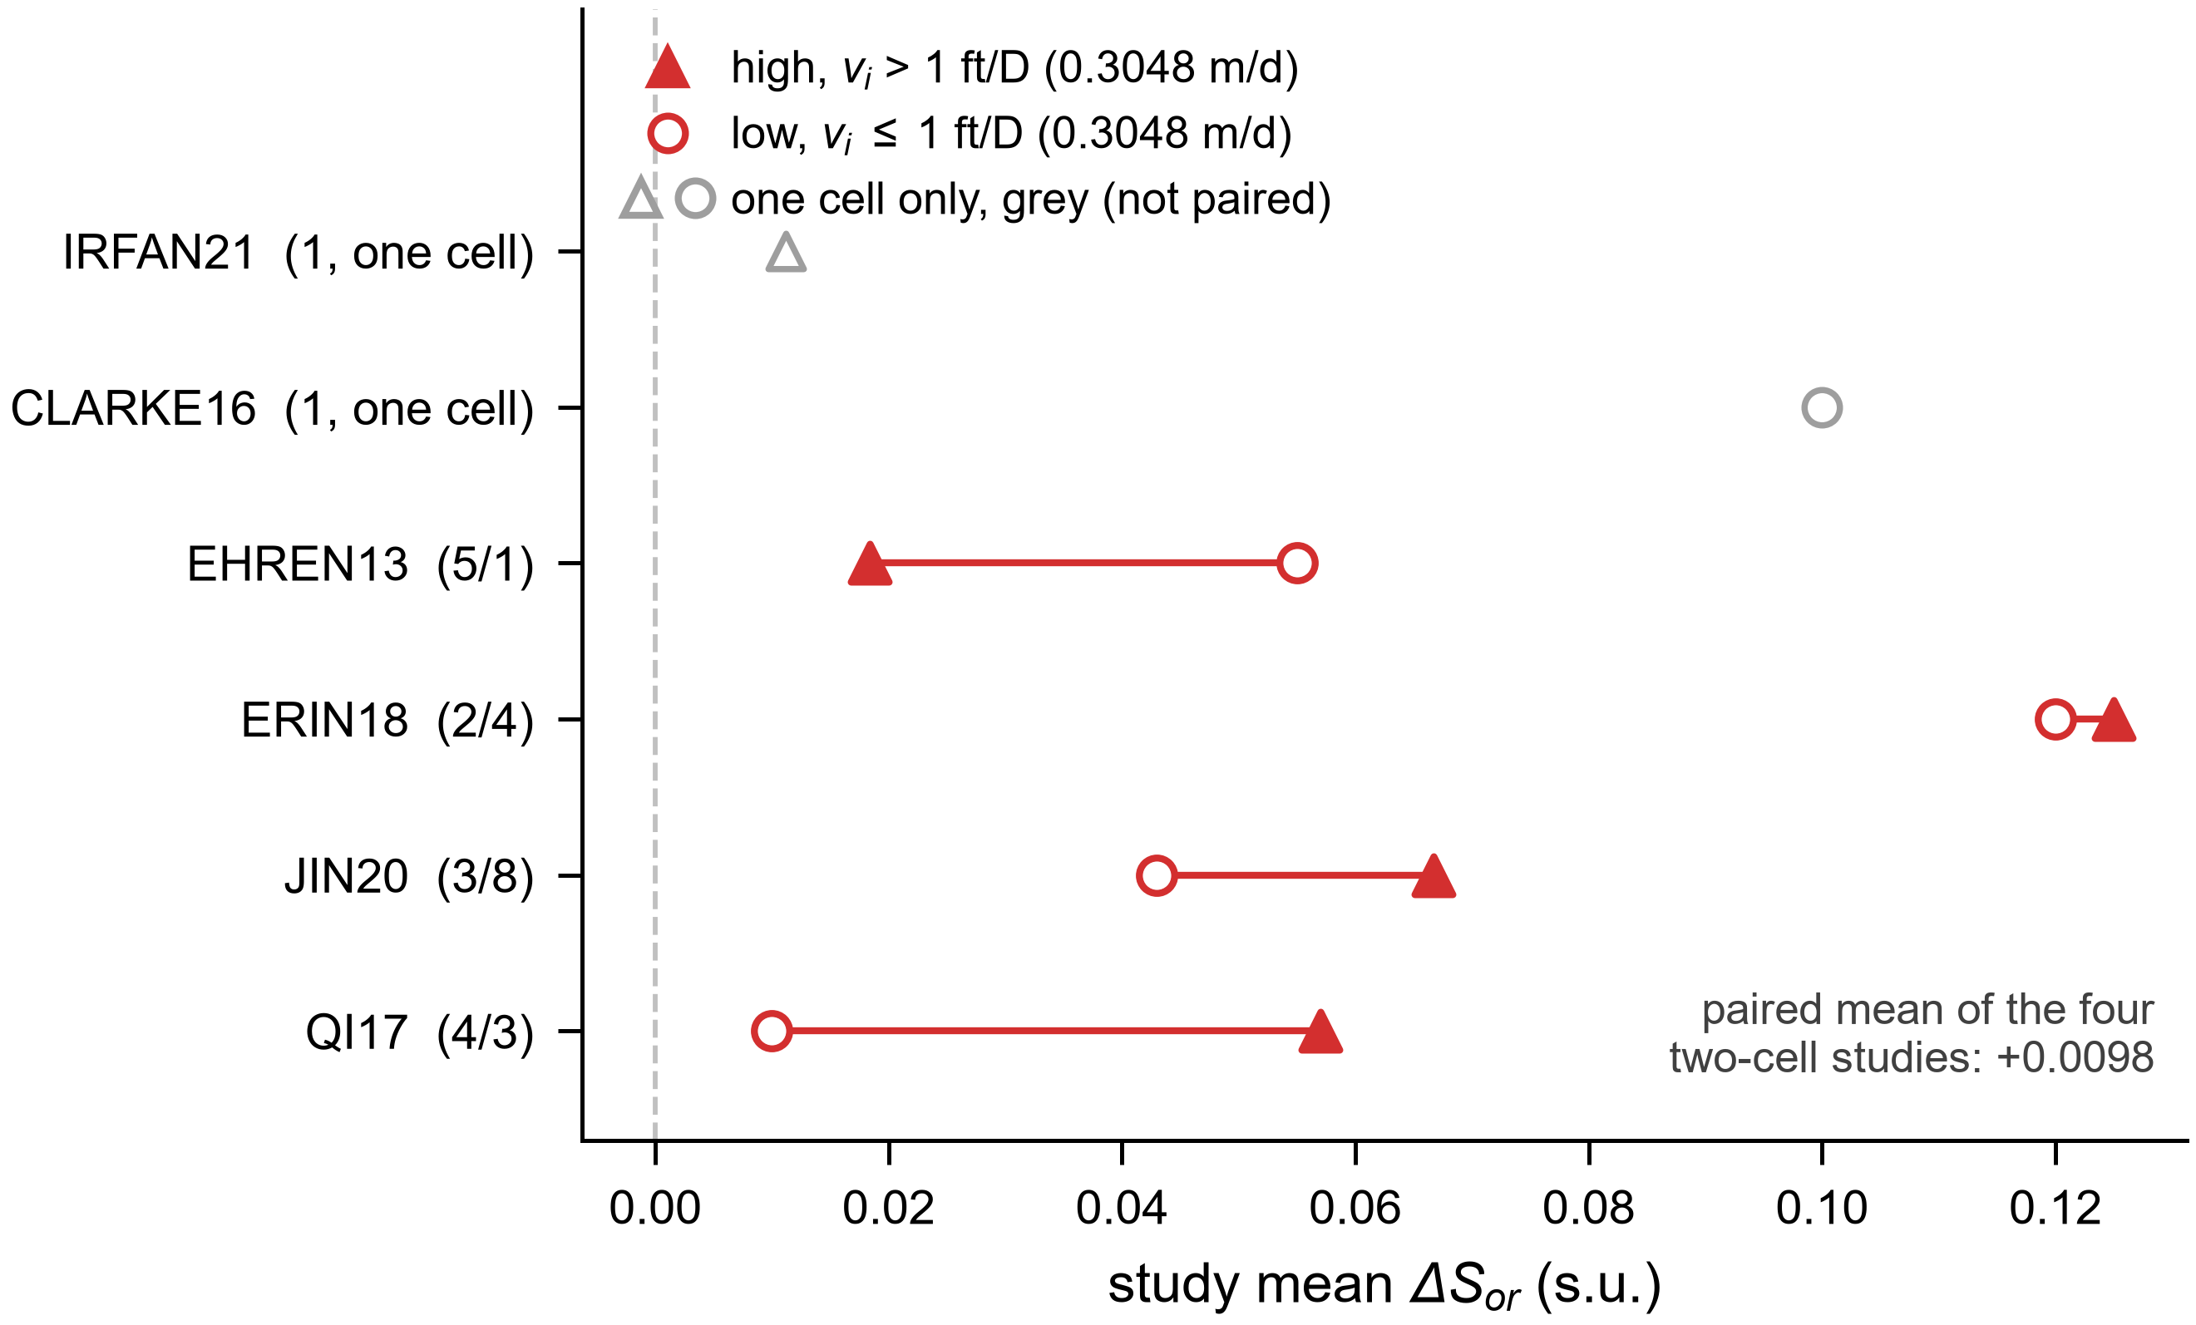
PAIRED WITHIN-STUDY ELASTIC-VERSUS-REFERENCE CONTRASTS (FIG 3)
Tertiary comparisons with salinity-confounded stages excluded. Cells are defined on interstitial velocity alone: high is vᵢ > 1 ft/D (0.3048 m/d), strict. Two studies carry only one cell and form no paired difference; they are plotted in grey.
Study cell means (plotted symbols)
Study | n high | Mean ΔSor high (s.u.) | n low | Mean ΔSor low (s.u.) | Paired difference (s.u.) | Basis
CLARKE16 | – | – | 1 | 0.1000 | – | DERIVED
EHREN13 | 5 | 0.0184 | 1 | 0.0550 | -0.0366 | DERIVED
ERIN18 | 2 | 0.1250 | 4 | 0.1200 | 0.0050 | DERIVED
IRFAN21 | 1 | 0.0112 | – | – | – | DERIVED
JIN20 | 3 | 0.0667 | 8 | 0.0430 | 0.0237 | DERIVED
QI17 | 4 | 0.0570 | 3 | 0.0100 | 0.0470 | DERIVED

Paired estimator
Statistic | Value |  |  |  |  | Basis
Unweighted mean of the four paired studies | 0.0098 |  |  |  |  | DERIVED
Paired t interval, three degrees of freedom | [-0.0465, 0.0660] |  |  |  |  | DERIVED

Figure 3

FIG 4 - Velocity Cut
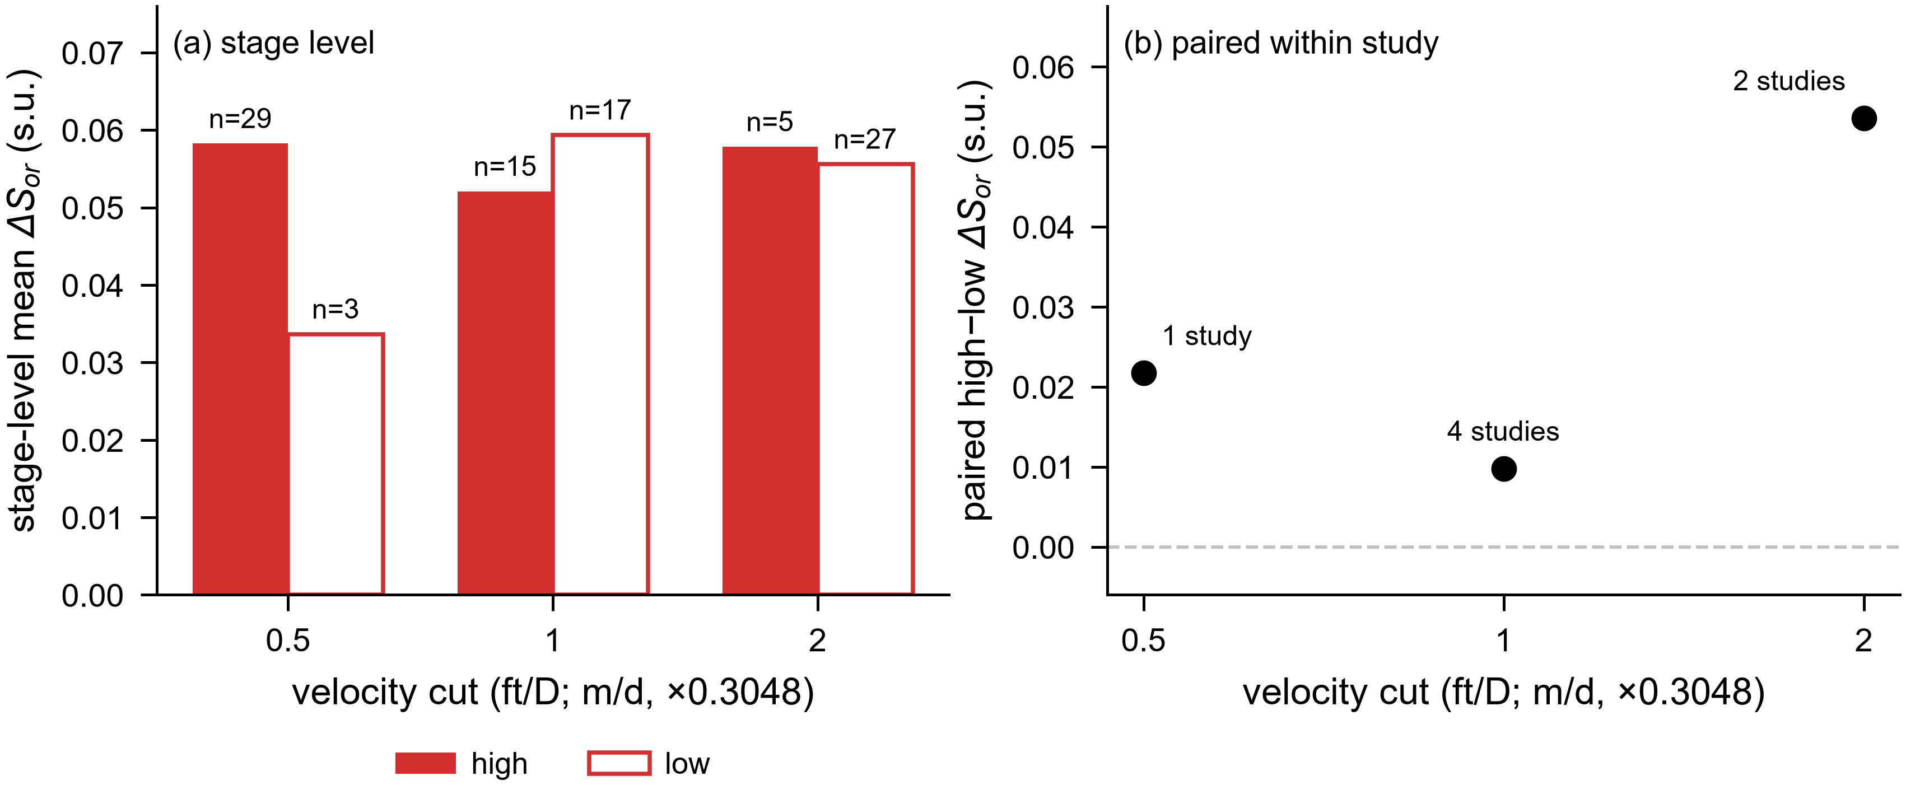
SENSITIVITY OF THE VELOCITY CLASSIFICATION TO THE CUT-OFF (FIG 4)
Tertiary comparisons, salinity-confounded stages excluded, velocity-only classification. The three cut-offs rest on different, partly non-overlapping study sets, so the panel is a descriptive threshold-sensitivity display and the points carry no connecting line.
Panel (a) — stage level
Velocity cut (ft/D) | Velocity cut (m/d) | n high | Mean ΔSor high (s.u.) | n low | Mean ΔSor low (s.u.) | Basis
0.50 | 0.1524 | 29 | 0.0582 | 3 | 0.0337 | DERIVED
1.00 | 0.3048 | 15 | 0.0521 | 17 | 0.0594 | DERIVED
2.00 | 0.6096 | 5 | 0.0578 | 27 | 0.0556 | DERIVED

Panel (b) — paired within study
Velocity cut (ft/D) | Velocity cut (m/d) | Studies with both cells | Mean paired ΔSor difference (s.u.) |  |  | Basis
0.50 | 0.1524 | 1 | 0.0217 |  |  | DERIVED
1.00 | 0.3048 | 4 | 0.0098 |  |  | DERIVED
2.00 | 0.6096 | 2 | 0.0536 |  |  | DERIVED

One study carries both cells at 0.5 ft/D, four at 1 ft/D and two at 2 ft/D. The 1 ft/D row is the primary classification quoted in the text.

Figure 4

FIG 5 - Endpoint krw Factor
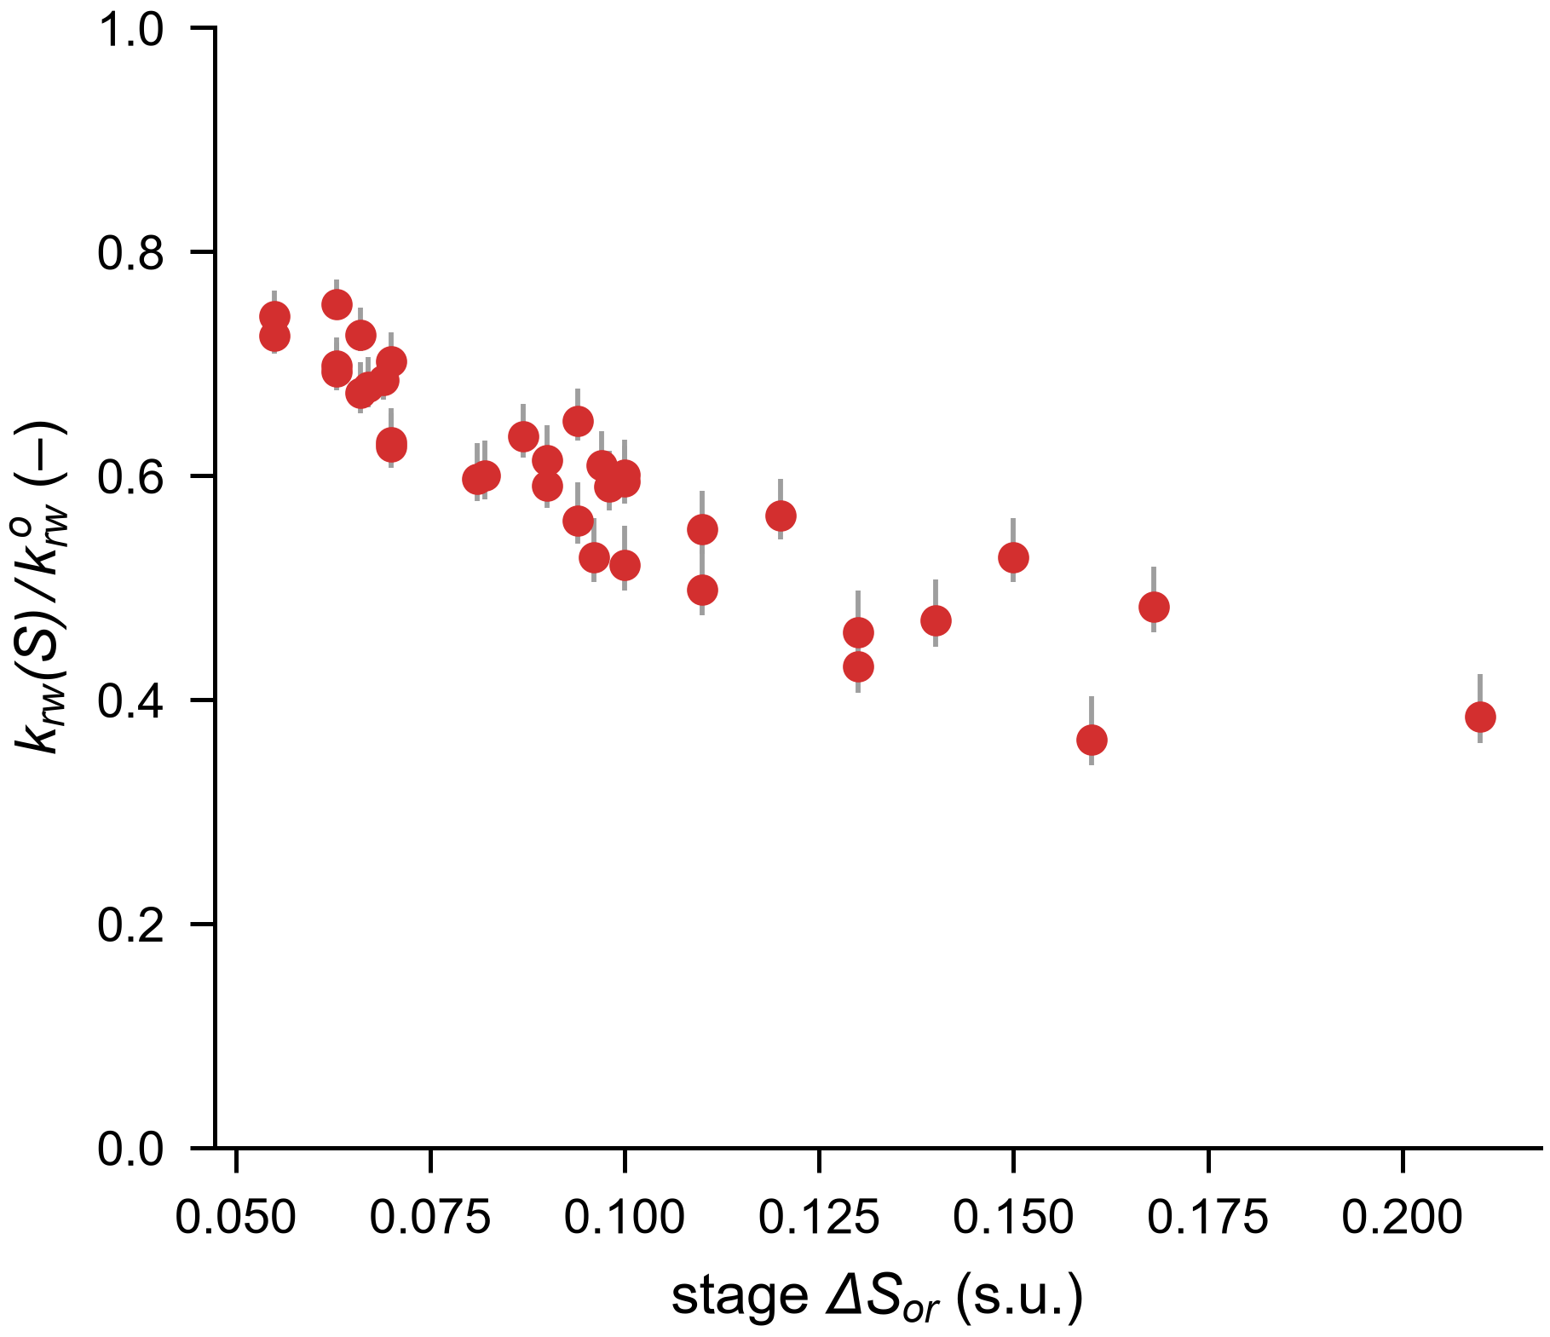
ENDPOINT-CONVENTION FACTOR (FIG 5)
Equation 6 evaluated at the stage endpoints. Plotted for tertiary stages with ΔSₒᵣ ≥ 0.05; the marker is nw = 3.0 and the error bar spans nw = 2.7–3.2. Four rows (K4, K5, K9, CO4-FP3630) are carried for completeness and are not plotted.
Endpoint factors by stage
Flood / stage | ΔSor (s.u.) | krw factor, nw = 2.7 | krw factor, nw = 3.0 | krw factor, nw = 3.2 | In figure | Basis
CF1-HPAM2100 | 0.066 | 0.750 | 0.726 | 0.711 | yes | DERIVED
CF2-gly | 0.063 | 0.719 | 0.693 | 0.676 | yes | DERIVED
CF3-HPAM1800-hi | 0.100 | 0.632 | 0.601 | 0.581 | yes | DERIVED
CF6-gly | 0.063 | 0.723 | 0.698 | 0.681 | yes | DERIVED
E1-LS | 0.160 | 0.403 | 0.364 | 0.341 | yes | DERIVED
E1-HS | 0.070 | 0.728 | 0.702 | 0.686 | yes | DERIVED
E2-LS | 0.090 | 0.623 | 0.591 | 0.571 | yes | DERIVED
E2-HS | 0.210 | 0.423 | 0.385 | 0.361 | yes | DERIVED
E3-LS | 0.110 | 0.534 | 0.498 | 0.475 | yes | DERIVED
E3-HS | 0.100 | 0.627 | 0.595 | 0.575 | yes | DERIVED
E4-LS | 0.100 | 0.555 | 0.520 | 0.497 | yes | DERIVED
E4-HS | 0.090 | 0.645 | 0.614 | 0.594 | yes | DERIVED
E5-LS | 0.130 | 0.497 | 0.460 | 0.437 | yes | DERIVED
E5-HS | 0.120 | 0.597 | 0.564 | 0.543 | yes | DERIVED
E6-gly | 0.070 | 0.660 | 0.630 | 0.611 | yes | DERIVED
E6-LS | 0.140 | 0.507 | 0.471 | 0.447 | yes | DERIVED
E6-HS | 0.150 | 0.562 | 0.527 | 0.505 | yes | DERIVED
J1-HPAM20MM | 0.110 | 0.586 | 0.552 | 0.530 | yes | DERIVED
J1-glycerin61cp | 0.168 | 0.519 | 0.483 | 0.460 | yes | DERIVED
J2-HPAM20MM | 0.055 | 0.765 | 0.742 | 0.728 | yes | DERIVED
J3-HPAM20MM-HS | 0.069 | 0.712 | 0.685 | 0.668 | yes | DERIVED
J7-HPAM20MM-LS | 0.098 | 0.622 | 0.590 | 0.569 | yes | DERIVED
J7-HPAM20MM-HS | 0.094 | 0.678 | 0.649 | 0.631 | yes | DERIVED
CL-HPAM6040-35MM | 0.130 | 0.468 | 0.430 | 0.406 | yes | DERIVED
K4 | 0.350 | 0.088 | 0.067 | 0.056 | no | DERIVED
K5 | 0.130 | 0.524 | 0.487 | 0.464 | no | DERIVED
K9 | 0.050 | 0.797 | 0.777 | 0.764 | no | DERIVED
B6Y-gly | 0.097 | 0.640 | 0.609 | 0.589 | yes | DERIVED
B6Y-HPAM | 0.063 | 0.775 | 0.753 | 0.739 | yes | DERIVED
B7Y-gly | 0.066 | 0.701 | 0.674 | 0.656 | yes | DERIVED
B9Y-gly | 0.067 | 0.706 | 0.679 | 0.661 | yes | DERIVED
B11Y-glytert | 0.096 | 0.562 | 0.527 | 0.505 | yes | DERIVED
BO1-HPAM | 0.070 | 0.656 | 0.626 | 0.607 | yes | DERIVED
BO4-HPAM | 0.082 | 0.631 | 0.600 | 0.579 | yes | DERIVED
BO6-gly | 0.087 | 0.664 | 0.635 | 0.616 | yes | DERIVED
BO9-HPAM | 0.055 | 0.748 | 0.725 | 0.709 | yes | DERIVED
BE12-HPAM | 0.081 | 0.629 | 0.597 | 0.577 | yes | DERIVED
BE6-gly | 0.094 | 0.594 | 0.560 | 0.539 | yes | DERIVED
CO4-FP3630 | 0.070 | 0.724 | 0.698 | 0.682 | no | DERIVED

Figure 5

FIG 6 - Carbonate Injectivity
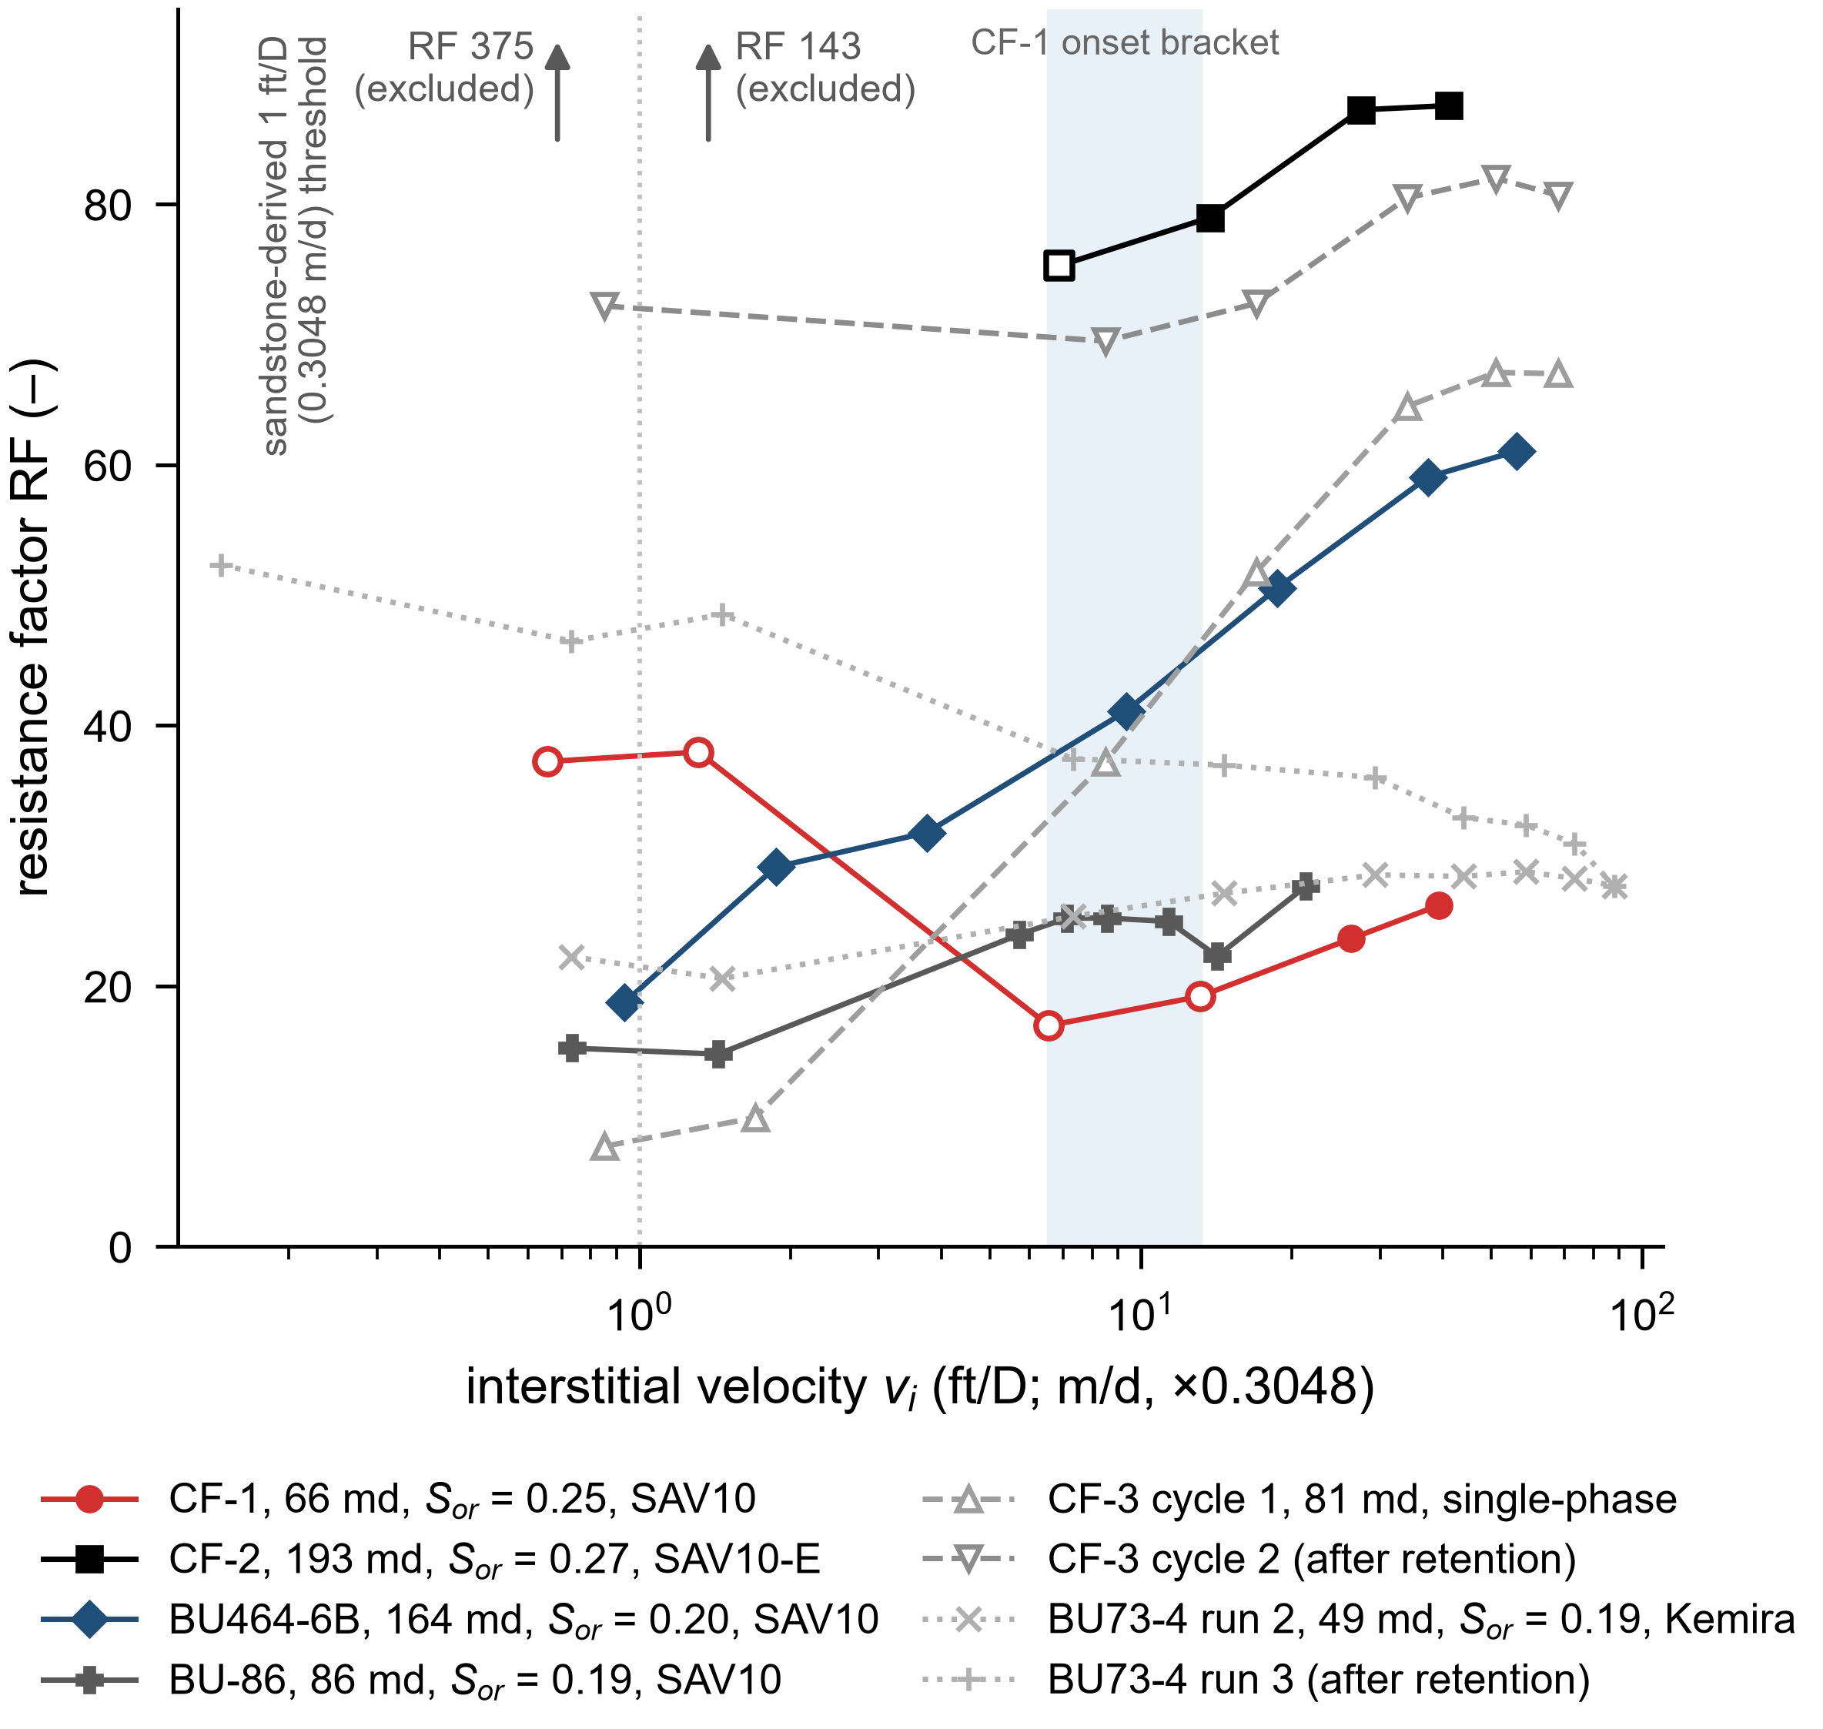
IN-SITU RESISTANCE FACTOR VERSUS INTERSTITIAL VELOCITY, CARBONATE CORES (FIG 6)
Six tests in carbonate reservoir cores at 50–60 °C and 42,500–243,000 ppm TDS. Permeability is effective at Sₒᵣ for CF-1 and CF-2 and absolute for the Buhasa cores. Basis tags are carried point by point; the two unstable low-rate CF-2 points are excluded from the figure and are marked as such below.
Test conditions
Test | Core | k (md) | φ (–) | Saturation state | Polymer | Salinity (ppm) | L (mm) | D (mm) | Dimensions basis
CF-1 | BU 320-3 | 66 | 0.310 | at Sor=0.25 | 1000 ppm SAV10 powder | 243028 | 58.80 | 38.40 | reported (report Table 4)
CF-2 | ZK-41-12 | 193 | 0.310 | at Sor=0.27 (glycerin-assisted) | 800 ppm SAV10 emulsion | 42507 inj | 76.24 | 37.63 | reported (report Table 4)
CF-3 cyc1 | ZK 41-8 | 81 | 0.256 | single-phase | 1000 ppm SAV10 powder | 239348 | 70.36 | 38.10 | reported (report Table 4)
CF-3 cyc2 | ZK 41-8 | 81 | 0.256 | single-phase | 1000 ppm SAV10 powder | 239348 | 70.36 | 38.10 | reported (report Table 4)
BU464-6B | BU 464 6B | 164 | 0.230 | at Sor=0.20 (Swi 16%) | 1000 ppm SAV10 powder | 193000 (60 C) | 60.00 | 37.40 | D derived from velocity-rate mapping; L not reported
BU-86 | BU | 86 | 0.280 | at Sor=0.19 (Swi 15%) | 1000 ppm SAV10 powder | 243000 (50 C) | 60.00 | 38.30 | D derived from velocity-rate mapping; L not reported
BU73-4 run2 | BU 73-4 | 49 | 0.290 | at Sor=0.19 (Swi 17%) | 1000 ppm Kemira A5990 | 243000 (50 C) | 76.12 | 37.77 | reported (native source file)
BU73-4 run3 | BU 73-4 | 49 | 0.290 | at Sor=0.19 (Swi 17%) | 1000 ppm Kemira A5990 | 243000 (50 C) | 76.12 | 37.77 | reported (native source file)
CF-2 (unstable, excluded) | ZK-41-12 | 193 | 0.310 | at Sor=0.27 (glycerin-assisted) | 800 ppm SAV10 emulsion | 42507 inj | 76.24 | 37.63 | reported (report Table 4)

Resistance-factor ladders
Test | vi (ft/D) | RF (–) | Basis
CF-1 | 0.656 | 37.234 | reported (native source file)
CF-1 | 1.311 | 37.968 | reported (native source file)
CF-1 | 6.556 | 16.969 | reported (native source file)
CF-1 | 13.111 | 19.210 | reported (native source file)
CF-1 | 26.222 | 23.632 | reported (native source file)
CF-1 | 39.333 | 26.205 | reported (native source file)
CF-2 | 6.866 | 75.278 | reported (native source file)
CF-2 | 13.732 | 78.987 | reported (native source file)
CF-2 | 27.464 | 87.253 | reported (native source file)
CF-2 | 41.197 | 87.579 | reported (native source file)
CF-3 cyc1 | 0.850 | 7.700 | digitized (report Fig.23)
CF-3 cyc1 | 1.700 | 9.900 | digitized (report Fig.23)
CF-3 cyc1 | 8.500 | 37.200 | digitized (report Fig.23)
CF-3 cyc1 | 17.000 | 51.800 | digitized (report Fig.23)
CF-3 cyc1 | 34.000 | 64.500 | digitized (report Fig.23)
CF-3 cyc1 | 51.000 | 67.100 | digitized (report Fig.23)
CF-3 cyc1 | 68.000 | 67.000 | digitized (report Fig.23)
CF-3 cyc2 | 0.850 | 72.200 | digitized (report Fig.23)
CF-3 cyc2 | 8.500 | 69.500 | digitized (report Fig.23)
CF-3 cyc2 | 17.000 | 72.400 | digitized (report Fig.23)
CF-3 cyc2 | 34.000 | 80.500 | digitized (report Fig.23)
CF-3 cyc2 | 51.000 | 82.000 | digitized (report Fig.23)
CF-3 cyc2 | 68.000 | 80.700 | digitized (report Fig.23)
BU464-6B | 0.935 | 18.750 | reported (native chart cache, run 1 of 3)
BU464-6B | 1.870 | 29.136 | reported (native chart cache, run 1 of 3)
BU464-6B | 3.740 | 31.779 | reported (native chart cache, run 1 of 3)
BU464-6B | 9.349 | 41.106 | reported (native chart cache, run 1 of 3)
BU464-6B | 18.699 | 50.548 | reported (native chart cache, run 1 of 3)
BU464-6B | 37.398 | 59.075 | reported (native chart cache, run 1 of 3)
BU464-6B | 56.097 | 61.055 | reported (native chart cache, run 1 of 3)
BU-86 | 0.733 | 15.242 | reported (native source file)
BU-86 | 1.437 | 14.779 | reported (native source file)
BU-86 | 5.722 | 23.959 | reported (native source file)
BU-86 | 7.131 | 25.222 | reported (native source file)
BU-86 | 8.568 | 25.222 | reported (native source file)
BU-86 | 11.359 | 24.964 | reported (native source file)
BU-86 | 14.205 | 22.295 | reported (native source file)
BU-86 | 21.336 | 27.667 | reported (native source file)
BU73-4 run2 | 0.732 | 22.256 | reported (native source file)
BU73-4 run2 | 1.464 | 20.579 | reported (native source file)
BU73-4 run2 | 7.322 | 25.348 | reported (native source file)
BU73-4 run2 | 14.644 | 27.121 | reported (native source file)
BU73-4 run2 | 29.288 | 28.536 | reported (native source file)
BU73-4 run2 | 43.933 | 28.419 | reported (native source file)
BU73-4 run2 | 58.577 | 28.779 | reported (native source file)
BU73-4 run2 | 73.221 | 28.263 | reported (native source file)
BU73-4 run2 | 87.865 | 27.698 | reported (native source file)
BU73-4 run3 | 0.146 | 52.326 | reported (native source file)
BU73-4 run3 | 0.732 | 46.469 | reported (native source file)
BU73-4 run3 | 1.464 | 48.530 | reported (native source file)
BU73-4 run3 | 7.322 | 37.450 | reported (native source file)
BU73-4 run3 | 14.644 | 36.960 | reported (native source file)
BU73-4 run3 | 29.288 | 36.002 | reported (native source file)
BU73-4 run3 | 43.933 | 32.944 | reported (native source file)
BU73-4 run3 | 58.577 | 32.368 | reported (native source file)
BU73-4 run3 | 73.221 | 30.946 | reported (native source file)
BU73-4 run3 | 87.865 | 27.698 | reported (native source file)
CF-2 (unstable, excluded) | 0.687 | 375.071 | reported (native source file; no pressure stabilization, excluded from figure)
CF-2 (unstable, excluded) | 1.373 | 143.099 | reported (native source file; no pressure stabilization, excluded from figure)

Reference lines drawn on the figure
Line | Value (ft/D) | Value (m/d) | Basis
CF-1 onset bracket, lower | 6.60 | 2.0100 | MEASURED
CF-1 onset bracket, upper | 13.10 | 3.9900 | MEASURED
Sandstone-derived threshold | 1.00 | 0.3048 | LITERATURE

Figure 6

FIG 7 - Radial Velocity
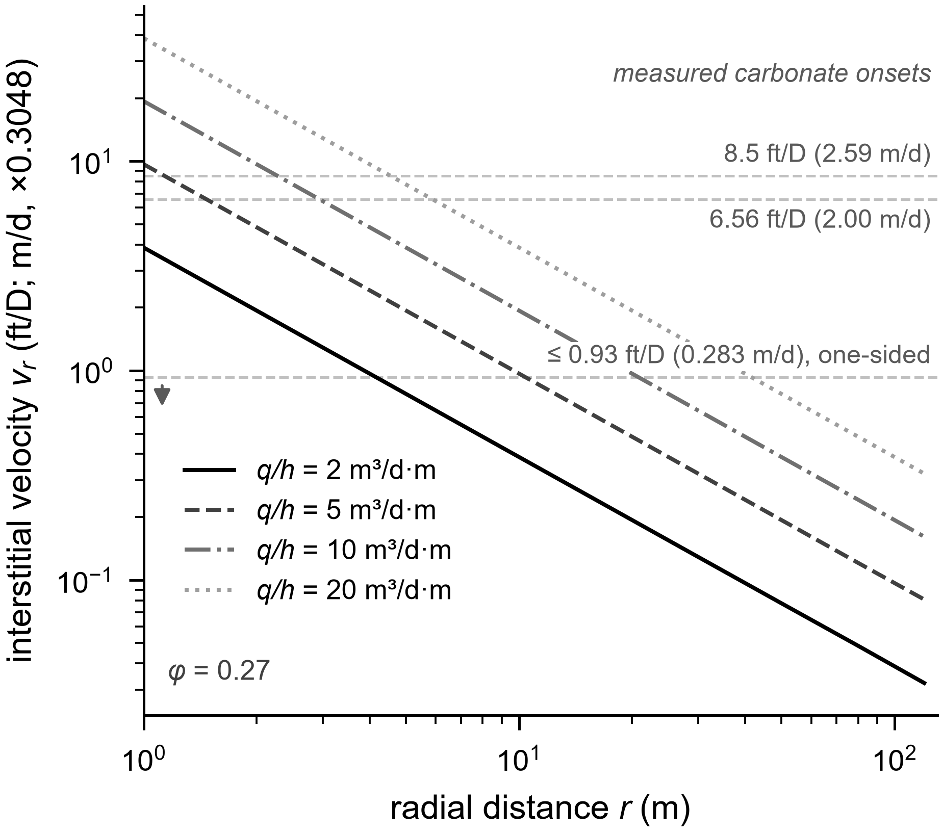
RADIAL INTERSTITIAL-VELOCITY DECAY AROUND AN UNFRACTURED VERTICAL INJECTOR (FIG 7)
Equation 7 for a single layer without fractures. The tabulated Darcy velocity is divided by the representative porosity φ = 0.27 to give the plotted interstitial velocity; radii scale as 1/φ over the measured porosity range 0.23–0.31.
Darcy velocity uᵣ (ft/D)
r (m) | q/h = 2 m³/d·m | q/h = 5 m³/d·m | q/h = 10 m³/d·m | q/h = 20 m³/d·m | Basis
1.00 | 1.0443 | 2.6108 | 5.2216 | 10.4432 | DERIVED
2.00 | 0.5222 | 1.3054 | 2.6108 | 5.2216 | DERIVED
3.00 | 0.3481 | 0.8703 | 1.7405 | 3.4811 | DERIVED
5.00 | 0.2089 | 0.5222 | 1.0443 | 2.0886 | DERIVED
8.00 | 0.1305 | 0.3264 | 0.6527 | 1.3054 | DERIVED
12.00 | 0.0870 | 0.2176 | 0.4351 | 0.8703 | DERIVED
20.00 | 0.0522 | 0.1305 | 0.2611 | 0.5222 | DERIVED
30.00 | 0.0348 | 0.0870 | 0.1741 | 0.3481 | DERIVED
50.00 | 0.0209 | 0.0522 | 0.1044 | 0.2089 | DERIVED
80.00 | 0.0131 | 0.0326 | 0.0653 | 0.1305 | DERIVED
120.00 | 0.0087 | 0.0218 | 0.0435 | 0.0870 | DERIVED

Interstitial velocity vᵣ (ft/D) at φ = 0.27
r (m) | q/h = 2 m³/d·m | q/h = 5 m³/d·m | q/h = 10 m³/d·m | q/h = 20 m³/d·m | Basis
1.00 | 3.8678 | 9.6696 | 19.3393 | 38.6785 | DERIVED
2.00 | 1.9341 | 4.8348 | 9.6696 | 19.3393 | DERIVED
3.00 | 1.2893 | 3.2233 | 6.4463 | 12.8930 | DERIVED
5.00 | 0.7737 | 1.9341 | 3.8678 | 7.7356 | DERIVED
8.00 | 0.4833 | 1.2089 | 2.4174 | 4.8348 | DERIVED
12.00 | 0.3222 | 0.8059 | 1.6115 | 3.2233 | DERIVED
20.00 | 0.1933 | 0.4833 | 0.9670 | 1.9341 | DERIVED
30.00 | 0.1289 | 0.3222 | 0.6448 | 1.2893 | DERIVED
50.00 | 0.0774 | 0.1933 | 0.3867 | 0.7737 | DERIVED
80.00 | 0.0485 | 0.1207 | 0.2419 | 0.4833 | DERIVED
120.00 | 0.0322 | 0.0807 | 0.1611 | 0.3222 | DERIVED

Measured carbonate onset velocities drawn on the figure
The 0.17 and 0.43 ft/D lines carried in earlier drafts were unsourced and were removed on 31 July 2026. The lines below are the measured carbonate onsets of Section 3.6.
Onset | ft/D | m/d | Basis
Lowest onset, one-sided (BU464-6B) | 0.93 | 0.283 | MEASURED
CF-1 minimum | 6.56 | 2.000 | MEASURED
CF-3 post-retention cycle | 8.50 | 2.590 | MEASURED

Onset radius r · (m) at φ = 0.27 (manuscript Table 6)
q/h (m³/d per m) | r* at 1 ft/D (0.3048 m/d) | r* at 7 ft/D (2.13 m/d) | r* at 9 ft/D (2.74 m/d) | Basis
2 | 3.90 | 0.55 | 0.43 | DERIVED
5 | 9.70 | 1.40 | 1.10 | DERIVED
10 | 19.30 | 2.80 | 2.10 | DERIVED
20 | 38.70 | 5.50 | 4.30 | DERIVED

Figure 7

FIG S1 - Extensional Nc
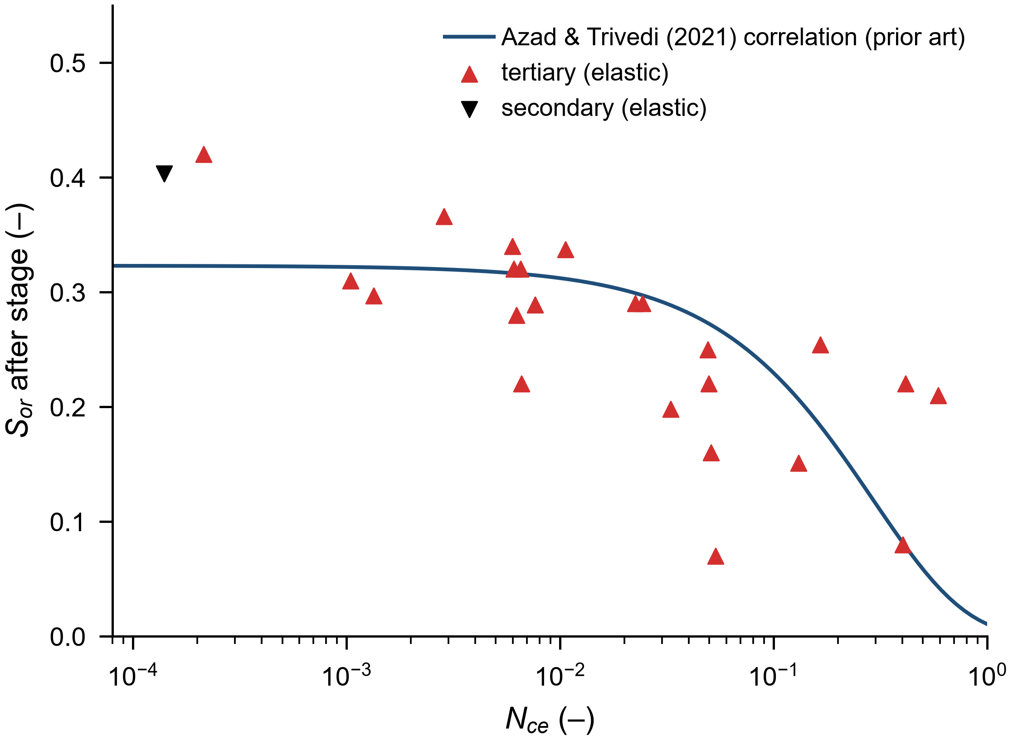
ADMITTED STAGES ON THE EXTENSIONAL CAPILLARY NUMBER (FIG S1)
Equation 5, with the Equation 3 shear rate evaluated on the velocity basis reported by each source, matching the Azad and Trivedi calibration. Verified or digitized values only. The published correlation is overlaid as prior art and no new fit is made.
Plotted stages
Flood / stage | Nce (–) | Sor after stage (–) | Basis | Note
CF1-HPAM2100 | 0.032963 | 0.198 | DERIVED
CF2-HPAM2100 | 0.165513 | 0.254 | DERIVED
CF3-HPAM1800-lo | 1.04E-03 | 0.310 | DERIVED
CF3-HPAM1800-hi | 0.590459 | 0.210 | DERIVED
E1-LS | 0.024274 | 0.290 | DERIVED
E1-HS | 0.413884 | 0.220 | DERIVED
E2-LS | 0.022513 | 0.290 | DERIVED
E2-HS | 0.402792 | 0.080 | DERIVED
E3-LS | 6.08E-03 | 0.320 | DERIVED
E3-HS | 0.049756 | 0.220 | DERIVED
E4-LS | 5.97E-03 | 0.340 | DERIVED
E4-HS | 0.049052 | 0.250 | DERIVED
E5-LS | 6.25E-03 | 0.280 | DERIVED
E5-HS | 0.050933 | 0.160 | DERIVED
E6-LS | 6.60E-03 | 0.220 | DERIVED
E6-HS | 0.053378 | 0.070 | DERIVED
CL-HPAM3130-3.6MM | 2.14E-04 | 0.420 | DERIVED
CL-HPAM6040-35MM | 6.52E-03 | 0.320 | DERIVED

Overlaid correlation (prior art)
Quantity | Value |  | Basis | Note
Correlation form | Sor = a · exp(b · Nce) |  | LITERATURE | Azad and Trivedi (2021), plotted over Nce = 5 × 10⁻⁵ to 1
Coefficient a | 0.323 |  | LITERATURE | Azad and Trivedi (2021)
Coefficient b | -3.420 |  | LITERATURE | Azad and Trivedi (2021)

Figure S1

FIG S2 - Legacy Classifier
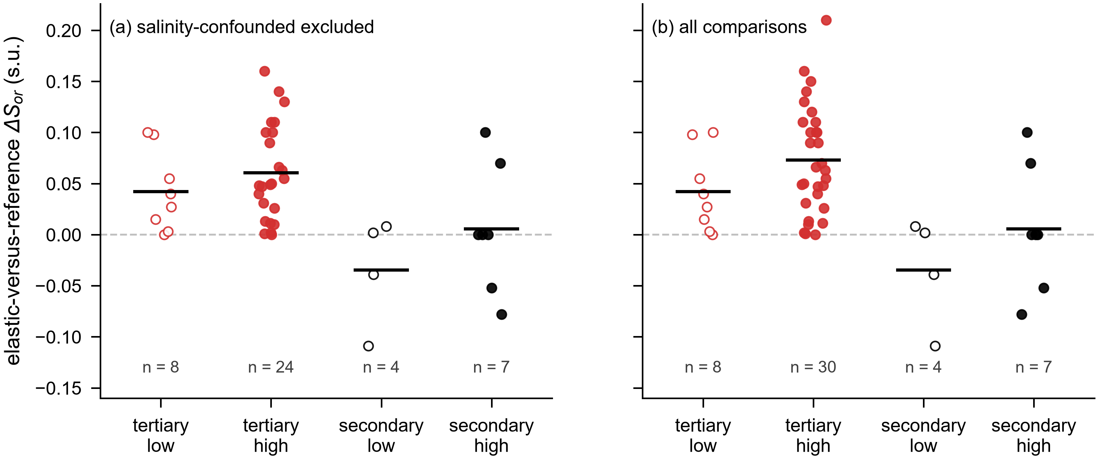
ELASTIC-VERSUS-REFERENCE DESATURATION DIFFERENCE BY MODE AND FLOW-INTENSITY REGIME, LEGACY CLASSIFIER (FIG S2)
Legacy classification: high if vᵢ > 1 ft/D (0.3048 m/d) or ΔP/L ≥ 10 psi/ft. Retained as a sensitivity display only; the stage-level statistics quoted in the main text use the velocity-only classification. The individual points are the ΔSₒᵣ values of Table S5 under the legacy label.
Panel (a) — salinity-confounded stages excluded
Mode | Intensity (legacy classifier) | n | Cell mean ΔSor (s.u.) | Basis
tertiary | low | 8 | 0.0423 | DERIVED
tertiary | high | 24 | 0.0605 | DERIVED
secondary | low | 4 | -0.0345 | DERIVED
secondary | high | 7 | 0.0057 | DERIVED

Panel (b) — all comparisons
Mode | Intensity (legacy classifier) | n | Cell mean ΔSor (s.u.) | Basis
tertiary | low | 8 | 0.0423 | DERIVED
tertiary | high | 30 | 0.0731 | DERIVED
secondary | low | 4 | -0.0345 | DERIVED
secondary | high | 7 | 0.0057 | DERIVED

Figure S2

